MSc
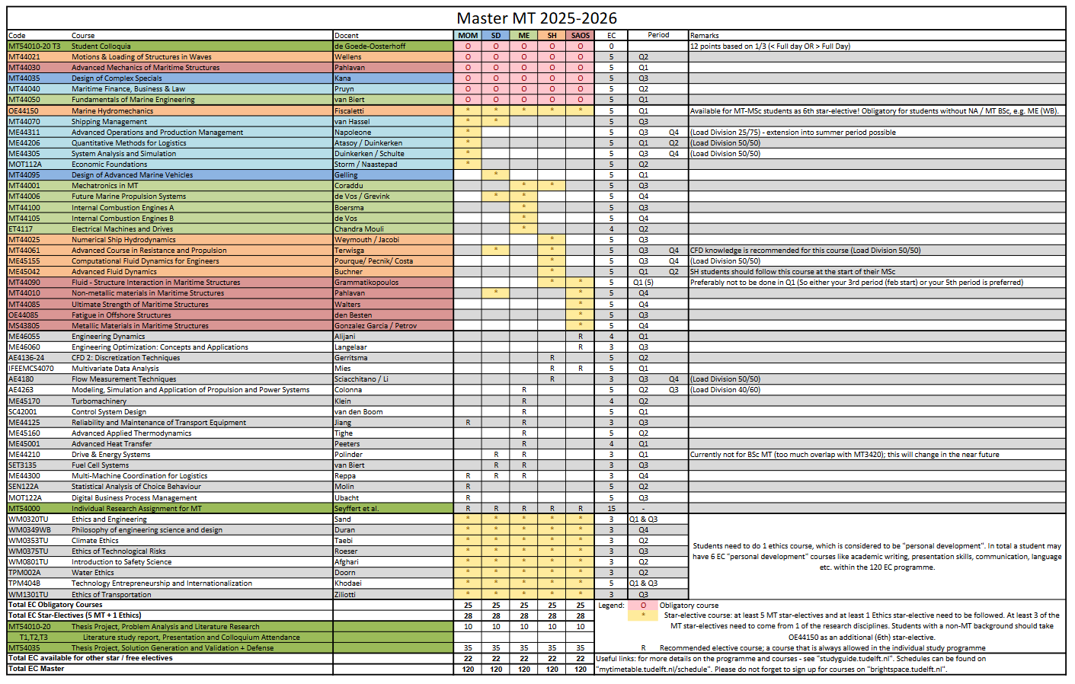
MT44030
Advanced Mechanics of Maritime Structures
MT44040
Maritime Finance, Business & Law
MT44035
Design of Complex Specials
1e jaar | ECTS | Periode 1 | Periode 2 | Periode 3 | Periode 4 | Vakantie
 | 1 |  |  |  |  |  |  | Disclaimer! Always check the study guide, this document may contain mistakes!
 | 2 |  |  |  |  |  |  | This document is for students without a bridging program!
 | 3
 | 4 |  |  |  |  |  |  | EXPLAINATION
Course Code
Course Name
Course Code
Course Name
 | 5 |  |  |  |  |  |  | 6 ects | 5 ects |  | 4 ects | 3 ects |  | 2 ects
MT44050
Funcamentals of Marine Engineering
MT44021
Motions & Loading of Structures in Waves
Course code
Course Name
Course Code
Course Name
Course Code
Course Name
 | 6
 | 7
 | 8
 | 9
 | 10
 | 11
 | 12
 | 13
 | 14 |  |  |  |  |  |  | 6 ects 2 periods |  | 5 ects 2 periods |  |  | 4 ects 4 periods
Course Code
Course Name
Course Code
Course Name
Course Code
Course Name
Course Code
Course Name
Course Code
Course Name
Course Code
Course Name
 | 15
 | 16
 | 17
 | 18
 | Totaal |  |  |  |  | 0 | 0

Literature Research & Problem Analysis
Graduation
2e jaar | ECTS | Periode 1 | Periode 2 | Periode 3 | Periode 4 | Vakantie
 | 1 |  |  |  |  |  |  | COURSES
 | 2
MT44070
Shipping Management
ME44311
Advanced Operations and Production Management
ME44311
Advanced Operations and Production Management
ME44206 Quantatative Methods for Logistics
ME44206 Quantatative Methods for Logistics
ME44305 System Analysis and Simulation
ME44305 System Analysis and Simulation
MOT112A
Economic Foundations
 | 3
 | 4
 | 5
 | 6
 | 7
 | 8
MT44095
Design of Advanced Marine Vehicles
 | 9
 | 10
Graduation
 | 11
 | 12
 | 13
MT44001
Mechatronics
in MT
 | 14
MT44006
Future Marine Propulsion System
MT44100
Internal Combustion Engines A
MT44105
Internal Combustion Engines B
ET4117
Electrical Machines and Drives
 | 15
 | 16
 | 17
 | 18
 | Totaal |  |  |  |  | 0 | 0

MT44025
Numerical Ship Hydrodynamics
OE44150
Marine Hydromehanics
MT44061
Advanced Course in Resistance and Propulsion
ME45155
Computational Fluid Dynamics for Engineers
ME45042
Advanced Fluid Dynamics
3e jaar | ECTS | Periode 1 | Periode 2 | Periode 3 | Periode 4 | Vakantie
 | 1
 | 2
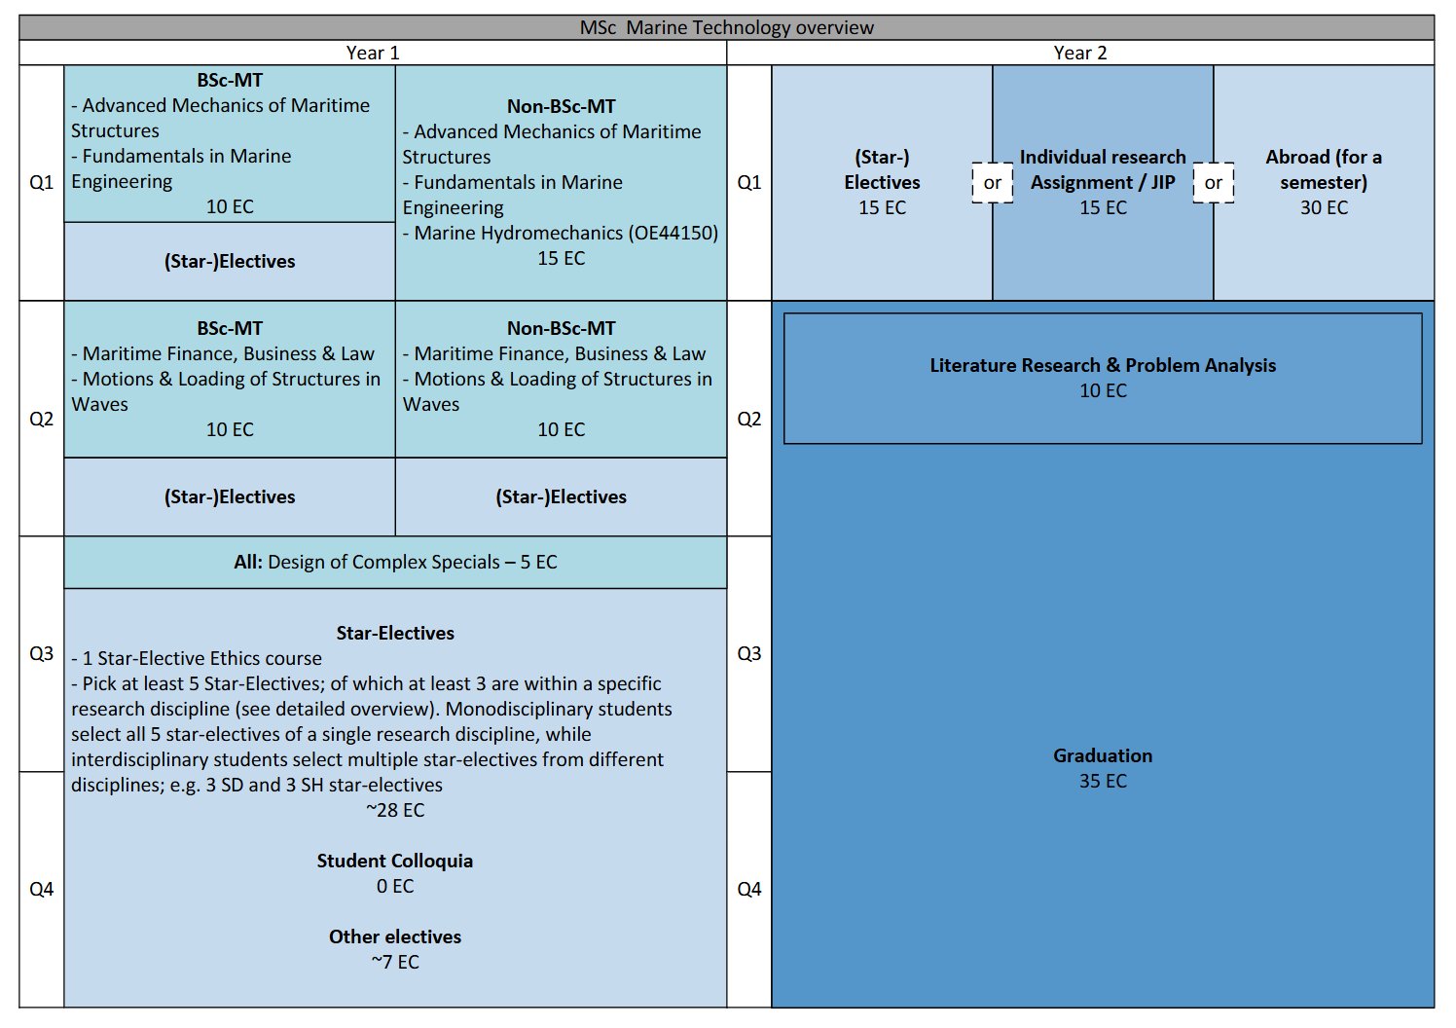
 | 3
 | 4
 | 5
MT44090
Fluid- Structure Interaction in Marine Structures
MT44010
Non- metalic materials in marine structures
MT44085
Ultimate Strengt of Marine Structures
OE44085
Fatigue in Offshore Structures
MS43805
Metallic Materials in Maritime Structures
 | 6
 | 7
 | 8
 | 9
 | 10
 | 11
ME46055
Engineering Dynamics
ME46060
Engineering Optimization: Concepts & Applications
AE4136-24
CFD 2: Discretization Techniques
IFEEMCS4070
Multivariate Data Analysis
SC42001
Control System Design
 | 12
 | 13
 | 14
 | 15
 | 16
AE4263 Modelling, Simulation and Application of Propulsion and Power systems
AE4263 Modelling, Simulation and Application of Propulsion and Power systems
 | 17
 | 18
 | Totaal |  |  |  |  | 0 | 0

AE4180
Flow Measurement techniques
AE4180
Flow Measurement techniques

ME45170
Turbomachinery
SC42001
Control System Design
ME44125
Reliability and Maintanance of Transport Equipment
ME44125
Reliability and Maintenance of transport Equipment
ME45160
Advanced Applied Thermodynamics

ME45001
Advanced Heat Transfer
ME44210
Drive & Energy Systems
SET3135
Full Cell Systems
ME45001
Advanced Heat Transfer
SEN122A
Statistical Analysis of Choice Behaviour

WM0320TU
Ethics and Engineering
WM0349WB
Philosophy of Engineering Science and Design
WM0353TU
Climate Ethics
WM0375TU
Ethics of Techonological Risks (Ethics of)
WM0801TU
Introduction to Safety Science
TPM002A
Water Ethics
TPM4048
Technology Entrepreneurship and Internationalization
WM1301TU
Ethics of Transportation

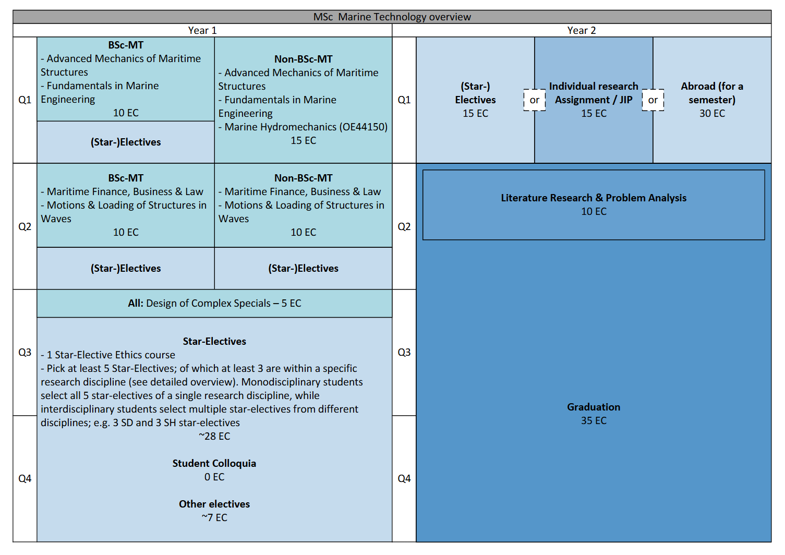

BSc
WBMT 1050-24 T1
Wiskunde 1 Analyse 1
WBMT1050-24 T2
Wiskunde 1 Analyse 2
WBMT1051 T1
Wiskunde 2 Lineaire Algebra 1
WBMT1051 T2
Wiskunde 2 Lineaire Algebra 2
1e jaar | ECTS | Periode 1 | Periode 2 | Periode 3 | Periode 4 | Vakantie
 | 1 |  |  |  |  |  |  | Wiskunde Blok
 | 2 |  |  |  |  |  |  | Natuurkunde Blok
WB1630-20
Statica
WB1631-24
Sterkteleer
WB1135
Dynamica
 | 3 |  |  |  |  |  |  | Maritieme Techniek Blok
WB1530-14
Thermofluids
 | 4 |  |  |  |  |  |  | Minorblok
 | 5 |  |  |  |  |  |  | Maatschappij- & Organisatie Blok
 | 6
 | 7 |  |  |  |  |  |  | Disclaimer! Always check the study guide, this document may contain mistakes!
 | 8 |  |  |  |  |  |  | This document is for students without a bridging program!
 | 9
MT1461-25
Introductie Maritieme Techniek
MT1462
Hydrostatica
MT1464
Mechanica van Maritieme Constructies 1
MT1465
Weerstand, Voorstuwing en Aandrijving 1
 | 10
 | 11
 | 12
 | 13
MT1463
Integratie en Vaardigheden 1
MT1463
Integratie en Vaardigheden 1
MT1466
Integratie en Vaardigheden 2
MT1466
Integratie en Vaardigheden 2
 | 14
 | 15
 | 16
 | 17
 | 18
 | Totaal | 15 | 15 | 15 | 15 | 0 | 60

WBMT 2048
Wiskunde 3 Analyse 3
WBMT2048
Wiskunde 3 Differentiaalvergelijkingen
WBMT2049
Wiskunde 4 Kansrekening & Statestiek
WBMT2049
Wiskunde 4 Numerieke Wiskunde
2e jaar | ECTS | Periode 1 | Periode 2 | Periode 3 | Periode 4 | Vakantie
 | 1
 | 2
WB2630 T1
Advanced Mechanics - Rigid Body Dynamics
WB2630 T2
Advanced Mechanics - Continuum Dynamics
WB3240-24
Systeem- en Regeltechniek
MT2465
Integratie en Vaardigheden 3
 | 3
 | 4
 | 5
 | 6
MT2461-25
Hydromechanica
MT2463
Weerstand, Voortstuwing en Aandrijving
 | 7
 | 8
 | 9
MT2464
Mechanica van Maritieme Constructies 2
 | 10
 | 11
 | 12
MT2462
Ontwerpen van Schepen
MT2462
Ontwerpen van Schepen
 | 13
 | 14
 | 15
 | 16
 | 17
 | 18
 | Totaal | 15 | 15 | 15 | 15 | 0 | 60

MT3461
Dynamica van Maritieme Constructies
MT3462
Elektrische Aandrijving en Conversie
Minor
B-eindproject (herkansing)
Minor
B-eindproject (herkansing)
3e jaar | ECTS | Periode 1 | Periode 2 | Periode 3 | Periode 4 | Vakantie
 | 1
 | 2
 | 3
 | 4
WBMT3BEP
Bachelor Eindproject
 | 5
 | 6
NT3463
Scheepsbewegingen en Manoeuvreren
 | 7
 | 8
 | 9
 | 10
 | 11
 | 12
WBMT3BEP
Bachelor Eindproject
 | 13
 | 14
 | 15
 | 16
 | 17
 | 18
 | Totaal | 15 | 15 | 15 | 15 | 0 | 60

4e jaar | ECTS | Periode 1 | Periode 2 | Periode 3 | Periode 4 | Vakantie
 | 1
 | 2
 | 3
 | 4
 | 5
 | 6
 | 7
 | 8
 | 9
 | 10
 | 11
 | 12
 | 13
 | 14
 | 15
 | 16
 | 17
 | 18
 | Totaal |  |  |  |  | 0 | 0

